Index
Assessing Commercialization Strategies for Evolving Network Demand (ASCEND)
Developed by Teltrium Inc. for NASA SCaN



Contact: Edward Oughton (eoughton@teltrium.com); Erica Weir (eweir@teltrium.com).
https://github.com/edwardoughton/ascend

Capabilities/Uses:
- Supporting high-level decisions pertaining to commercialization strategies of NASA's Near Space Network.
- Quantifying current and future data traffic demand under realistic scenarios.
- Estimating the cost of moving both current and future traffic demand via commerical operators.
- Exploring the implications of centralized or decentralized purchasing of commercial network capacity.
- Quantifying the trade-offs in selecting either a small (n=2) or large (n=5) number of commercial suppliers.

Caveats to using ASCEND:
- ASCEND is not a replacement for detailed network-specific modeling. The aim is to provide an understanding of incremental cost for different sized network suppliers.
- ASCEND is not an exact measurement tool but a scenario-based decision-support model which helps to understand future (unknown) scenarios.
- ASCEND utilizes parameter assumptions when reliable scientific data are not available, if there are questions regarding the approach, reach out to the model creators (eoughton@teltrium.com; eweir@teltrium.com).

Main Datasets:
Tbc

Reference:
Oughton, E.J., D. Weir, E. et al., 20234 “Assessing Commercialization Strategies for Evolving Network Demand at NASA's Space Communications and Networking (SCaN) program”, Working Paper 24/XX.

Read_Me
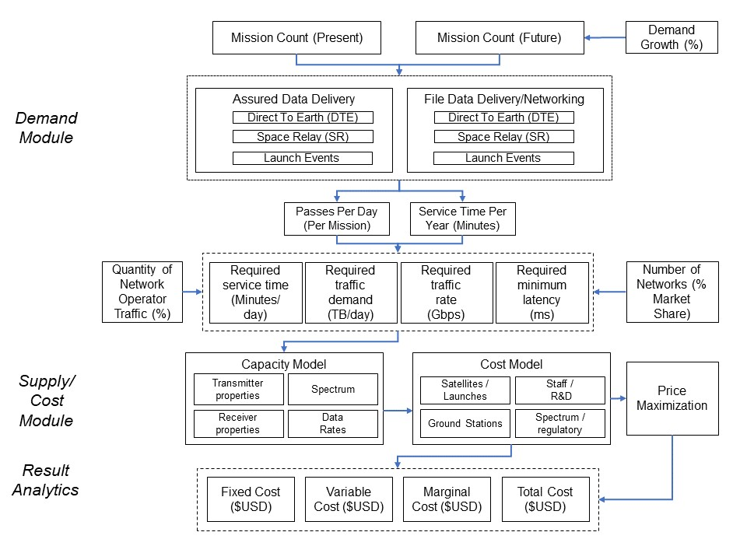
Read Me

 | Overview
 | - This tool provides investment analytics for commercializing the NASA Near Space Network (NSN).

 | Approach
 | - A variety of hypothetical networks are modeled to explore the implications of current and future demand on incremental cost.
 | - The focus is on modeling Low Earth Orbit (LEO) networks, as there is already considerable commercial activity taking place in this space.
 | - The level of current and future network demand can be specified by the ASCEND user, initially parameterized using NASA's own forecasts.
 | - The ASCEND user can then explore the techno-economic cost implications of utilizing different sized LEO networks.

 | The ASCEND Method

